Agenda and Attendees
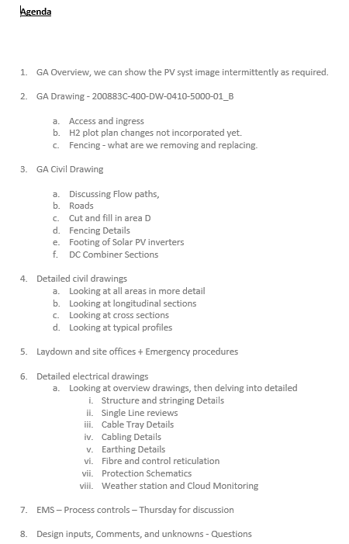
Yuri 30% Design Review (PV/BESS)
Date | 7-Sep-22
Attendees
1 | Daniele Perretta, OE PM, Tractebel Engie
2 | Phil Harford, Engie, Project Manager
3 | Filippe Rimis - Project Engineer - Technip Energies
4 | Swannie Swanepoel - PSD Energy - Project Lead
5 | Theo Sonnenberg - PSD Energy, Senior Primary Designer
6 | Andreas Merk - Technical PM - Engie
7 | Lucas Foster - Construction & Commissioning Lead - T.EN
8 | Damien Amigues, T.EN, PM
9 | Ahmed Tayeh -PSD Energy, Senior PV Engineer.
10 | Kapil Tare -Structural Lead T.EN MOC
11 | Baalu Veluswamy - Process/Project Engineer YCA
12 | Tayah Thornton - WHSE Manager MFG
13 | Sanjay Mone Sr Control System Engineer Technip AOC
14 | Michael Vosfeld - Monford Superintendant
15 | Ivan Patchel, Monford, O&M Manager
16 | Brian Rafferty, COO, Monford
17 | Brian Howarth = Project Director, Yara
18 | Kinley Dorji, Civil Engineer, Monford
19 | Anthony Abraham, Engineeirng Manager, TEN
20 | Duncan Zajdlewicz
21 | Viralkumar Raval

